Website Flow
1.Website
1a.Create new
1b.Edit
1c. List
1d. View (3c)

2. Zone
2a.Create new
2c.List
2b. Edit

3.Zone Group
3a.Create new
3b. Edit
3c. List
3d. View

1a. Create new website
1b. Edit website
1c. website list

Name:
Owner:
Home URL
Description:
Review type: (approve ads type)
Name: ABC
Owner: abc
Description:abcd
Review type: (Always approve)
Web | Owner | Review type | Zone | Zone group | Usage
Bao moi | Abc |  | 30 | 5
zingnews |  |  | 35 | 7

2a. Create new Zone
2a. Edit Zone
2c. Zone list

Part 1. Add zone info
-Name
-Categories (List) (add new)
Part 1. Add zone info
-Name: ABC
-Categories (chosen List) (add new)
Zone name | Zonegroup | Max item | Linked Item | HTML code | Size
Abc |  | 5 | 3 |  | 320x250
Cba |  | 5 | 5 |  | 320x251
Part 2. Add zone Price info
- Minimum CPM price
- Minimum CPC price
- Maximum share banner
Part 2. Add zone Price info
- Minimum CPM price: 30
- Minimum CPC price:30
- Maximum share banner: 5
Sde |  | 5 | 2 |  | 320x252
Adf |  | 5 | 1 |  | 320x253

Part 3. Add zone type and size
Allowitem type: (network or nonnetwork)
Size (list size) (add new)
Type: (Dropdown list)
Fallback HTML
Part 3. Add zone type and size
Allowitem type: network
Size (chosen list size) (add new)
Type: fixed zone
Fallback HTML

2a. Create new ZoneGroup
2a. Edit ZoneGroup
2c.Zonegroup List

Part 1. Add zone group info
-Name
-Description (optional)
Part 1. Add zone group info
-Name: ABC
-Description (optional)
Zone name | Zone
Top | 5
R1 | 10
R2 | 10
Part 2. Add zones list
Choose some zones from
available zone list
Part 2. Add other zone lists
Show current zone list, user can remove some and add other zone
R3 | 2

Datamodel
Website
id <<PK>>
URL <<PK>>
review type code
Usage
Owner <<FK>>

Content category
Code <<PK>>
Name

Zone
id <<PK>>
Name
Zone groups <<PK>>
content categories <<FK>>
Type code<<FK>>
Allow item type code<<FK>>
Size code
minimum CPM price
minimum CPC price
Fallback HTML

Zone group
id <<PK>>
Name

Zone- Type code
code <<PK>>
description

Zone- AllowitemType code
code<<PK>>
description

1a
Create Wesite

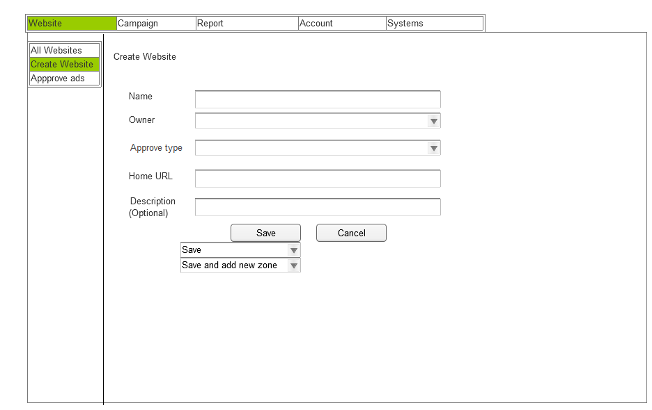

1
2
 | Number | Rules and Description
 | 1 | Owner: Just Admin or Agency acc use this field to assign this website for other member to be owner
 | 2 | Approve type: (Require field) Need review: Ads need to be review and approved by website owner.
3
 | 3 | Home URL (require field). The URL need to be confirm if it is valid or not.
4
 | 4 | Description (optional field): Maximum letter: 400. When typing, the box will open along with how many letters typed.
 | 5 | Button Save: finished creating this website, open website list (1c screen) Save and add new zone: open 2a screen.
5
6
 | 6 | Cancel: cancel creating this website, back to website list (1c screen)

1b
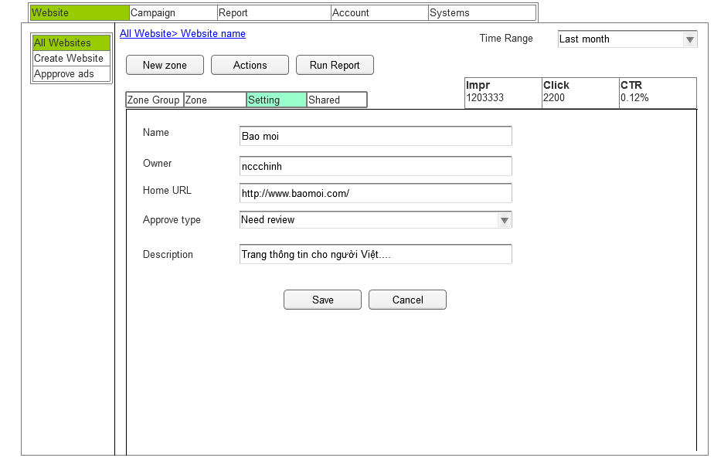
Edit Website

This screen is the same with 1a just different because it has full info

1c
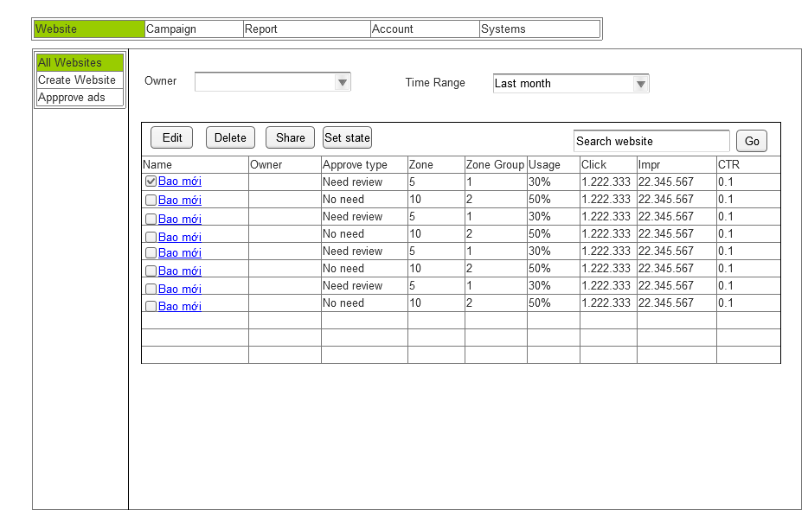
Website list

1d
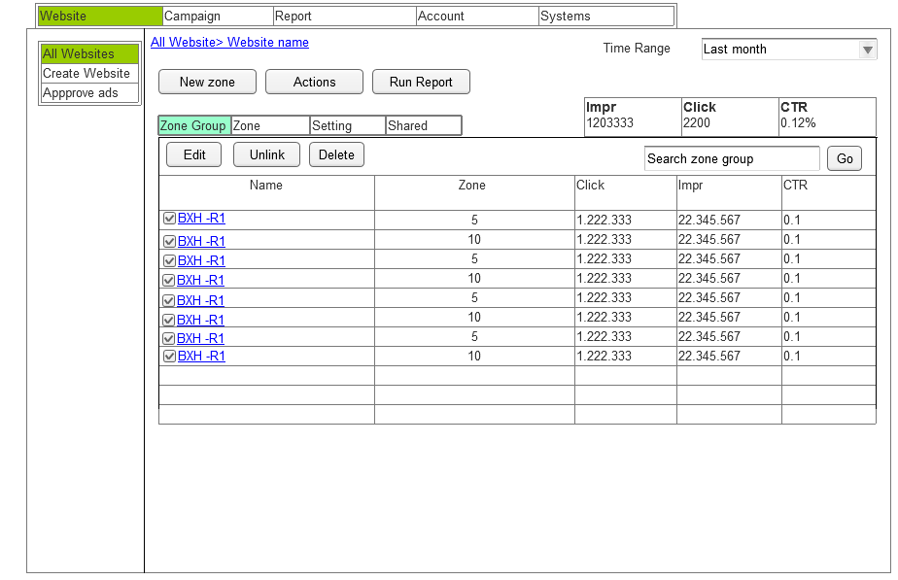
View Website

2a
Create Zone
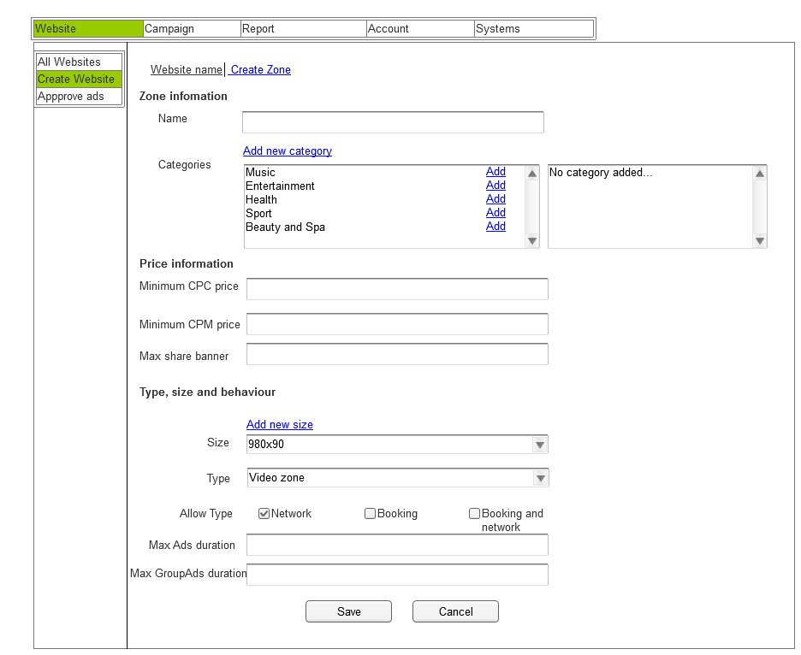

 | Number | Rules and description
 | 1 | Category(required field): This category is set by admin . One zone can have more than 1 category. This field is used for Target in network ads
 | 2 | Minimum CPC price (required field): The minimum price of a click for this zone.
 | 3 | Minimum CPM price(required field): The minimum Price of 1000impr for this zone
1
 | 4 | Max shared item(required field): The maximum number of item can link to this zone
 | 5 | Zone size(require field): One zonre just only have one size only. Choose size from the list (admin set) or create a custom size
 | 6 | Zone Type:
2
3
 | 7 | Allow item type: (required field) Booking: just only allow booking item. Thi mean this zone only sold for booking ads Network: Just only allow Network item. This mean this zone is only sold for network ads Booking and network: both types above
5
4
 | 8 | Max ads duration:(required field, used for video zone only): the maximum time of a specific ads can run on this zone
 | 9 | Max group ads duration: (required field, used for video zone only): the maximum time for all ads can run on this zone
 | 10 | Save: Finished creating this zone, back to zone list screen
 | 11 | Cancel: Cancel creating this zone, back to previous screen

6

2b
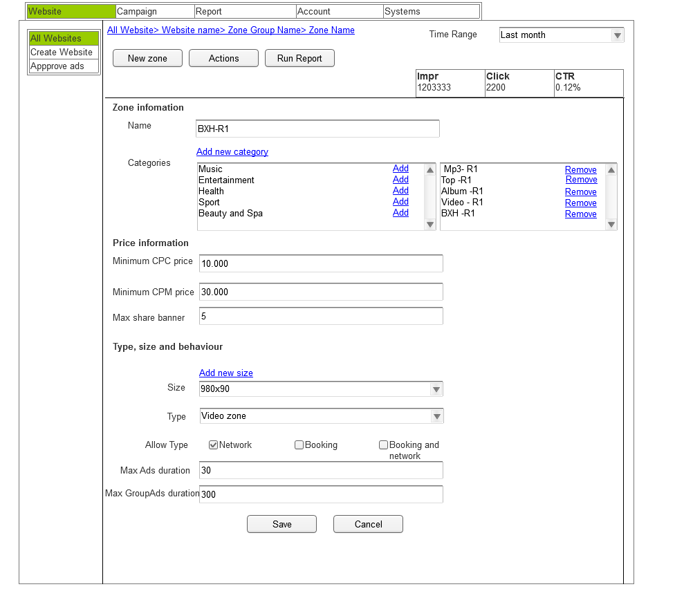
Edit Zone

This screen is the same with 2a just different because it has full info

2c
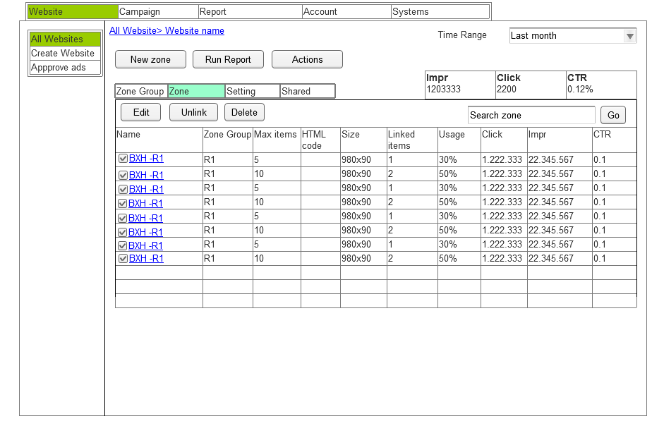
Zone List

3a
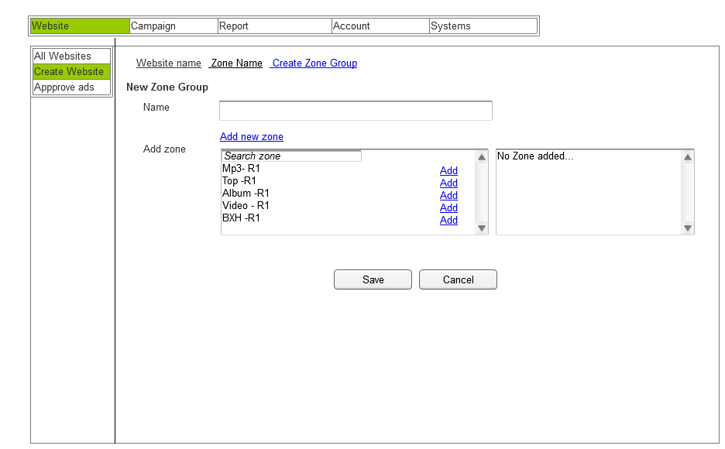
Create Zone Group

3b
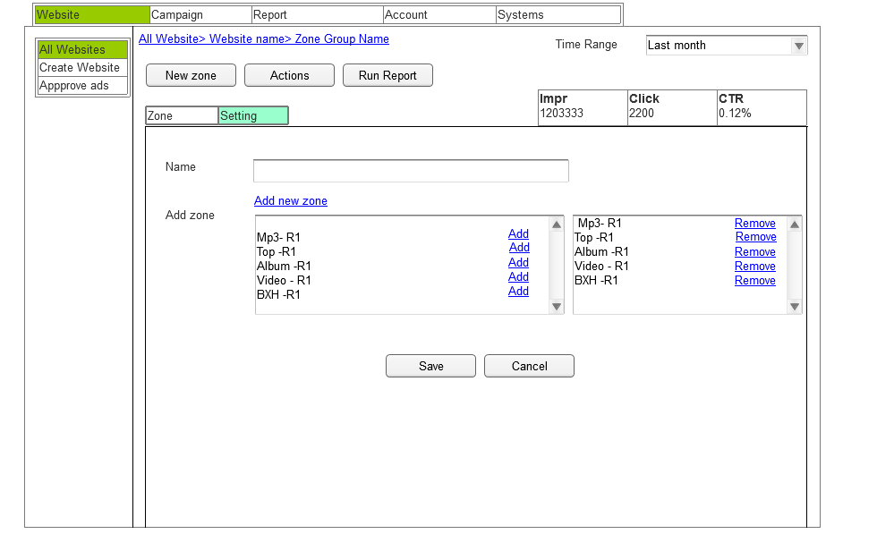
Edit Zone Group

3d
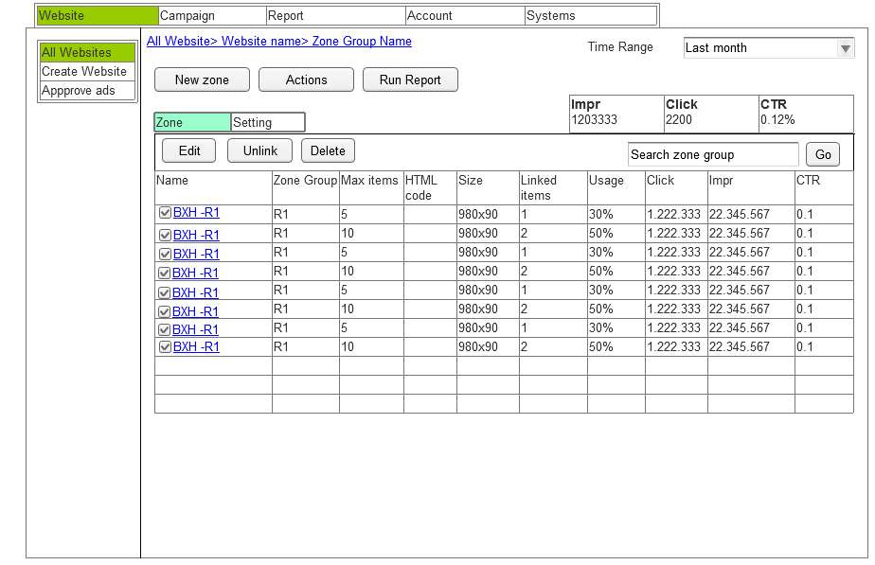
View Zone Group

Approve ads
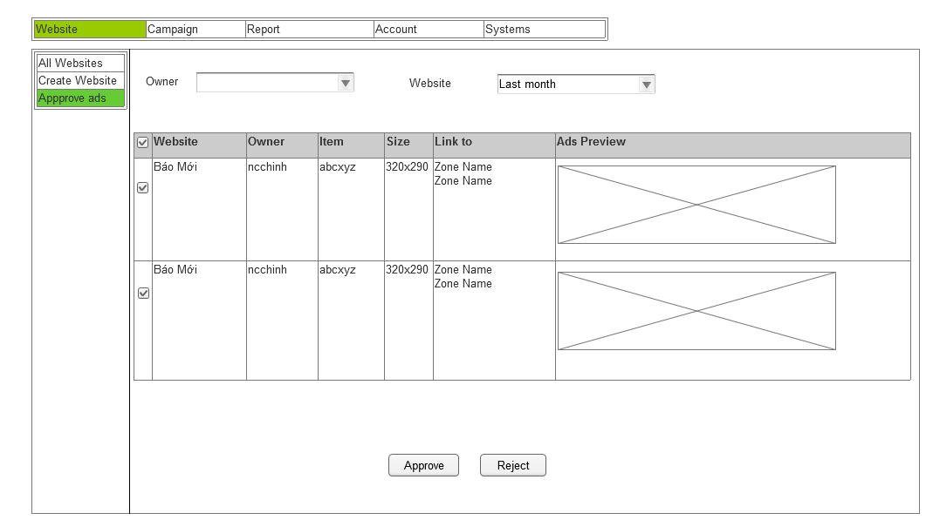

Shared
